Sheet1
FSSP 2026 plantings |  |  |  |  |  | FSSP 2026 planting sites
Planting months | May, June, July, August and September 2026
 | FSSP to order, pay and collect for sites 1, 2 and 3 (subject to grant funding)
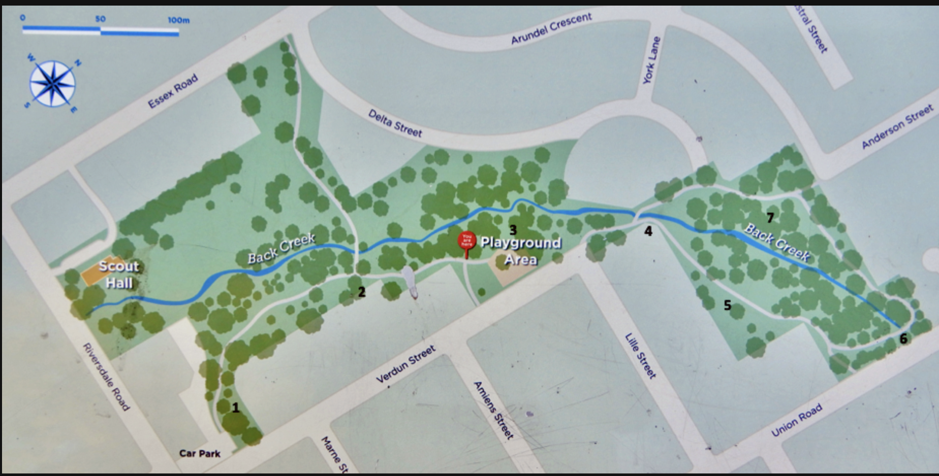
Please note plants species and numbers are indicative only at this stage.

Site 1: Along Back Creek - near the little bridge | Due to the size of this site, two separate plantings could be undertaken on subsequent months.
collection late August and September
Plant Species | Common Name | Form | Number | Comments
Carex appressa | Tall Sedge | Grass | 80
Lomandra longifolia | Spiny-headed Mat-rush | Grass | 54
Juncus amabilis | Hollow Rush | Grass | 54
Poa morrisii | Velvet Tussock-grass | Grass | 54
Dianella longifolia | Blue flax lily | Grass | 30
Poa labillardierei | Common Tussock-grass | Grass | 20
Goodenia ovata | Hop Goodenia | Shrub | 20
Acacia verticillata | Prickley Mosses | Shrub | 6
Acacia acinacea | Gold Dusk wattle | Shrub | 6
Spyridium parvifolium | Australian Dusty Miller | Shrub | 6
Site 4
 | Total |  | 330
 |  |  | 660 | Two plantings

Site 2: Union Road - collection late May | Infill planting

Site 3
Plant Species | Common Name | Form | Number | Comments
Poa labillardierei | Common Tussock-grass | Grass | 20
Poa morrisii | Velvet Tussock-grass | Grass | 54
Lomandra longifolia | Spiny-headed Mat-rush | Grass | 54
Microlaena stipoides | Weeping Grass | Grass | 54
Rytidosperma reacmosun | Slender wallaby grass | Grass | 54
Themeda triandra | Kangaroo grass | Grass | 54
Corea Alba or Reflexa | White correa | Sub shrub | 54
Coprosma quadrifida | Prickly currant bush | Bush | 6
Olearia lirata | Snowy Daisy-bush | Shrub | 10
Acacia verticillata | Prickley Mosses | Shrub | 6
Goodenia ovata | Hop Goodenia | Shrub | 30
 | Total |  | 396

Site 3: Delta St - collection late June | Infill planting

Site1
Species | Common Name | Form
Themeda triandra | Kangaroo Grass | Grass | 54
Carex appressa | Tall Sedge | Grass | 54
Site 2
Poa morrisii | Velvet Tussock-grass | Grass | 54
Lomandra longifolia | Spiny-headed Mat-rush | Grass | 54
Poa labillardierei | Common Tussock-grass | Grass | 20
Rytidosperma reacmosun | Slender wallaby grass | Grass | 54
Corea Alba or Reflexa | White correa | Sub shrub | 20
Kunzea ericoides | Burgan | Shrub | 10
Acacia acinacea | Gold Dusk wattle | Shrub | 6
Olearia lirata | Snowy Daisy-bush | Shrub | 10
Goodenia ovata | Hop Goodenia | Shrub | 20
 | Total |  | 356

 | Grand Total |  | 1412 | $1.50 | each
 |  |  | $2,118.00

Site 4: Wildflower Meadow | National Tree Day July | City of Boroondara to order, pay and deliver plants

Site map
FSSP 2026 planting sites

Site 4

Site 3

Site1

Site 2

